Sheet1
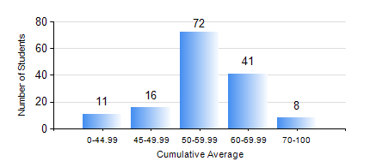
 |  |  | KWAME NKRUMAH UNIVERSITY OF SCIENCE AND TECHNOLOGY, KUMASI Department of Agricultural and Biosystems Engineering

 |  |  | BSC. AGRICULTURAL ENG.

 |  |  | COMPREHENSIVE RECORD OF EXAMINATION RESULTS

 |  |  | RESULTS OF YEAR 2 FIRST SEMESTER, 2022/2023 ACADEMIC YEAR

 | Sn | Course Code |  | Course Name | Credit Hours | Min. Mark | Max. Mark | Avg. Mark | Std. Dev. | No. Passed | No. Trailed | No. (Df) | No. (I) | No. (I*) | No. Tagged(I,I*,Df) | Total
 | 0. |  |  |  |  |  |  | 0 | 0 | 0 | 0 | 0 | 0 | 0 | 0 | 17
 | 1. | CENG 291 |  | ENGINEERING IN SOCIETY | 2 | 50 | 85 | 71 | 6.58 | 128 | 0 | 3 | 0 | 0 | 3 | 131
 | 2. | ENGL 263 |  | LITERATURE IN ENGLISH I | 1 | 27 | 74 | 54 | 8.15 | 129 | 2 | 0 | 0 | 0 | 0 | 131
 | 3. | MATH 251 |  | DIFFERENTIAL EQUATIONS | 4 | 18 | 79 | 48 | 10.37 | 118 | 13 | 0 | 0 | 0 | 0 | 131
 | 4. | ME 251 |  | FLUID MECHANICS I | 3 | 0 | 88 | 50 | 12.59 | 123 | 8 | 0 | 0 | 0 | 0 | 131
 | 5. | ME 255 |  | STRENGTH OF MATERIALS I | 3 | 28 | 93 | 54 | 11.42 | 128 | 3 | 0 | 0 | 0 | 0 | 131
 | 6. | ME 259 |  | APPLICATIONS OF COMPUTER GRAPHICS | 2 | 43 | 93 | 71 | 8.73 | 131 | 0 | 0 | 0 | 0 | 0 | 131
 | 7. | ME 265 |  | THERMODYNAMICS I | 3 | 18 | 90 | 59 | 11.62 | 129 | 2 | 0 | 0 | 0 | 0 | 131
 | 8. | ME 295 |  | MECHANICAL ENGINEERING LAB. I | 1 | 42 | 84 | 69 | 9.17 | 129 | 0 | 2 | 0 | 0 | 2 | 131

